Scenarios
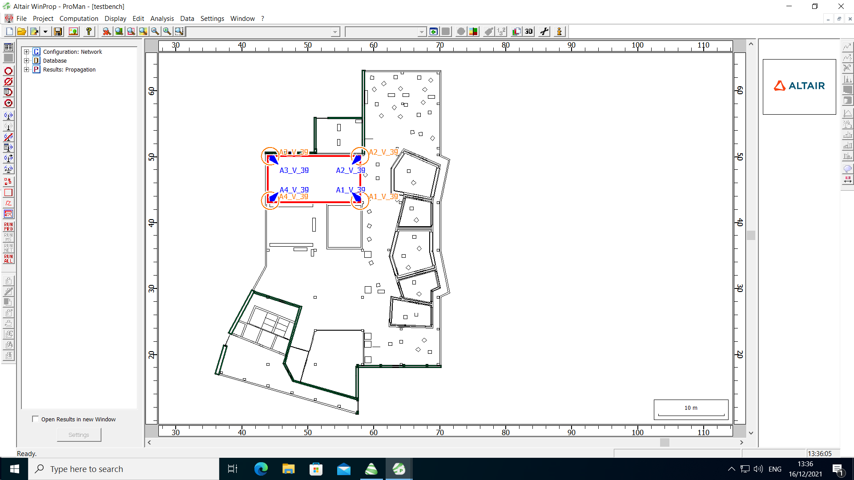
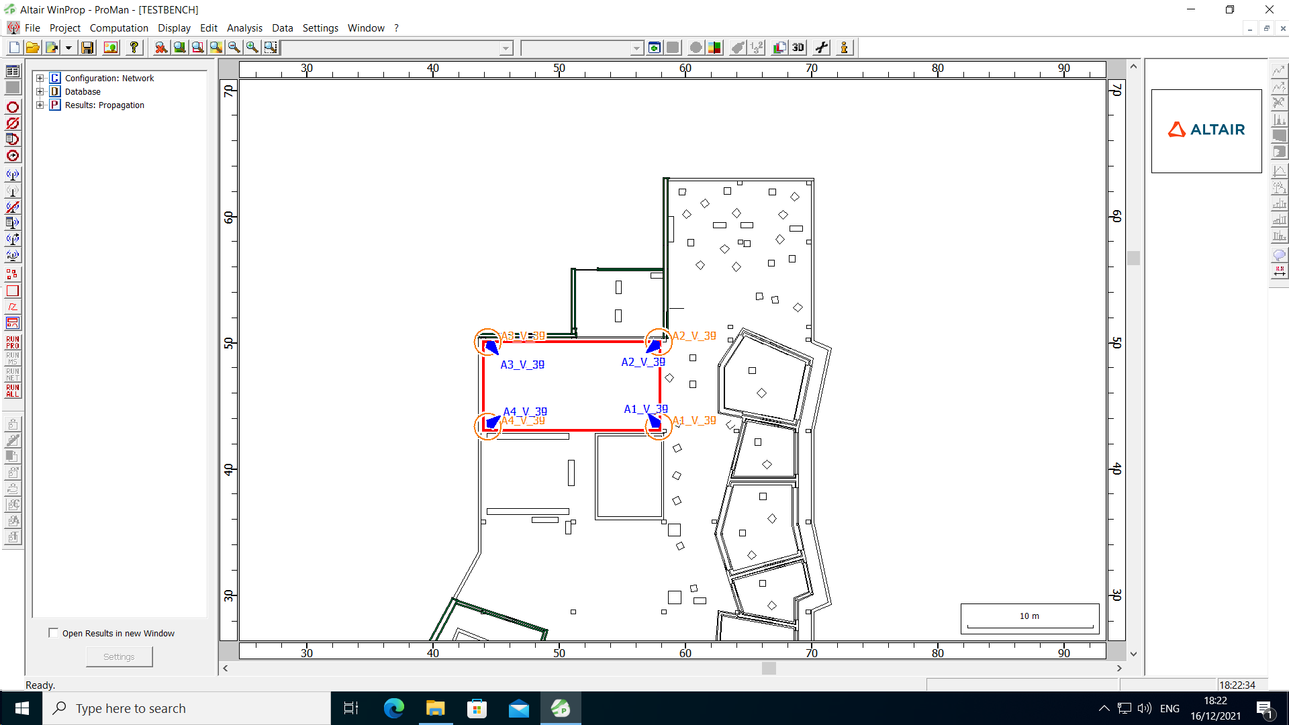
Baseline | testbench_01 (rectangular) | Rotated Anchors | Rotated anchors by 5 deg. | Translated Anchors | Moved anchors by 10 cm | No Furniture | Rotated anchors by 5 deg.
anchor_az_rotation Matlab | [135, 225, 315, 45] | anchor_az_rotation Matlab | [130, 220, 310, 40] | anchor_az_rotation Matlab | [135, 225, 315, 45] | anchor_az_rotation Matlab | [130, 220, 310, 40]
 | az: from_x axis counterclockwise |  | az: from_x axis counterclockwise |  | az: from_x axis counterclockwise |  | az: from_x axis counterclockwise
Room dimensions | [x_min, x_max] = [44, 58] m | Room dimensions | [x_min, x_max] = [44, 58] m | Room dimensions | [x_min, x_max] = [44, 58] m | Room dimensions | [x_min, x_max] = [44, 58] m
 | [y_min, y_max] = [43, 50] m |  | [y_min, y_max] = [43, 50] m |  | [y_min, y_max] = [43, 50] m |  | [y_min, y_max] = [43, 50] m
Resolution | 0.2 m | Resolution | 0.2 m | Resolution | 0.2 m | Resolution | 0.2 m
Anchors (az_rot, x, y) | A1: (315, 57.9, 43.3) | Anchors (az_rot, x, y) | A1: (320, 57.9, 43.3) | Anchors (az_rot, x, y) | A1: (315, 57.8, 43.4) | Anchors (az_rot, x, y) | A1: (315, 57.9, 43.3)
 | A2: (225, 57.9, 50) |  | A2: (230, 57.9, 50) |  | A2: (225, 57.8, 49.9) |  | A2: (225, 57.9, 50)
 | A3: (135, 44.3, 50) |  | A3: (140, 44.3, 50) |  | A3: (135, 44.4, 49.9) |  | A3: (135, 44.3, 50)
 | A4: (45, 44.3, 43.3) |  | A4: (50, 44.3, 43.3) |  | A4: (45, 44.4, 43.4) |  | A4: (45, 44.3, 43.3)
z_tag=1.5 m | z_anchors=2.5 m | z_tag=1.5 m | z_anchors=2.5 m | z_tag=1.5 m | z_anchors=2.5 m | z_tag=1.5 m | z_anchors=2.5 m
 | downtilt=45 deg. |  | downtilt=45 deg. |  | downtilt=45 deg. |  | downtilt=45 deg.
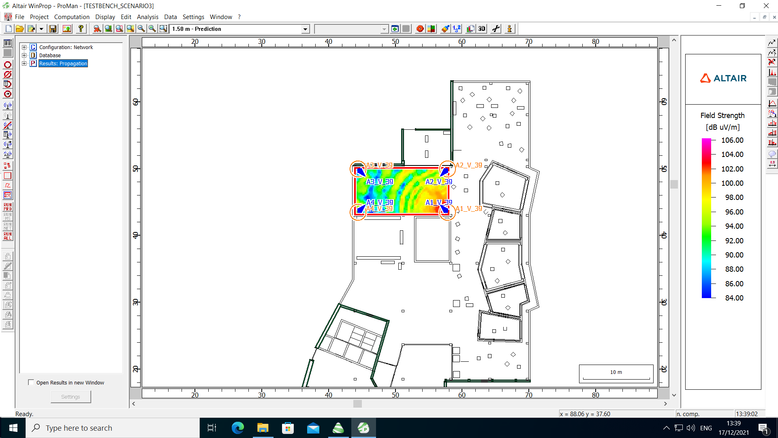
 | az: from y_axis clockwise |  | az: from y_axis clockwise |  | az: from y_axis clockwise |  | az: from y_axis clockwise

